STH Live Project Test Cases
 | Project Name | ICJK Project
 | Reference Document | Release and Sprint Plan.pdf
 | Created by | IFB-299- Group 71
 | Date of creation | 8-Oct-18
 | Date of review | 24-Oct-18

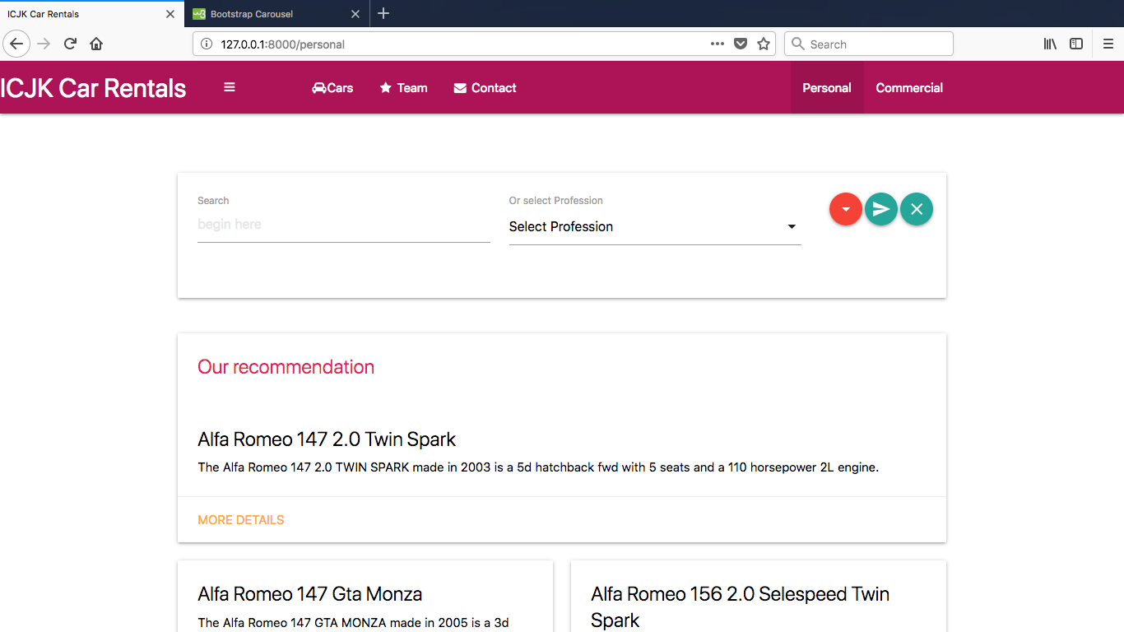
Test case ID | Test Objective | Precondition | Steps: | Test data | Expected result / Acceptance criteria | Post-condition | Test Status | Visual image of Expected result | Additional Comments
Test Cases ICJK1 | The ability for customers to navigate the site, and search for cars to rent using various filters and options. | 1. The test machine should be configured to run the ICJK Project 2. web browsers should be enabled on the test machine | 1. Run the ICJK project on the local instance of the Django server | A valid URL such as http://l 127.0.0.1:8888 | User should be navigated to the ICJK on the home page. Search for cars using filters Check the screenshot to get an idea of what screen we are testing | User should be able to navigate to site using the service we offer | Passed
 |  |  | 2. Start web browser of your choice
 |  |  | 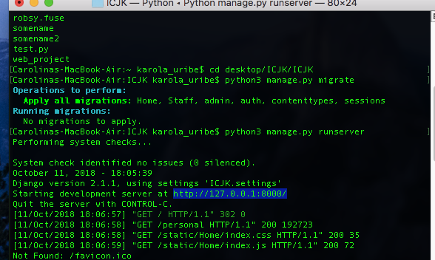 3. Enter the URL http://127.0.0.1.:888/ in the address bar of the web broser. NOTE: The port number for website URL may vary depending on the server configuration. Please check the server logs to confirm the port number as shown in the following sccreenshot
Test Cases ICJK2 | the competence for customers to navigate the site | 1. ICJK site is launched on a compatible browser | 1. Navigate to the home page by clicking the "search filter for finding cars car" button on the filter window 2. Fill in all the required field in the filter 3. Submit the filled-in form through by clicking the "Search" arrow button on the filter | A valid search information cars : fixed minimum and maximum passeanger count , Select pick-store, Luggage capacity, price. Make, model, year | When the customer clicks the "search Filter" menu item, user navigated to the obtein the information about the car is searching also the availability . Check the screenshot to get an idea of what screen we are testing Once the user submits the information on the filter with all the mandatory fields filled up, a new recommendation is created with the provided list of the cars are stored in the MySQL database. User is presented with a "Our Recommendations" message in the next page as shown in the following screenshot | User can use all the available services of the ICJK site using the search filter | Passed | 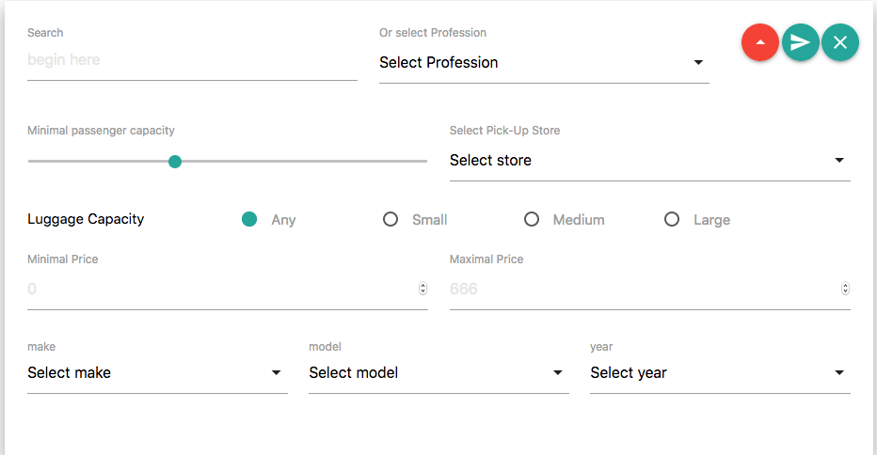

Test Cases ICJK3 | commercial car allow estimation of total cost of reting | 1. ICJK site is launched on a compatible browser | 1. Navigate to the home page by licking the "commercial" button on the menu bar 2. Fill in the the requirements click button get a "quote " | A valid information after press the button the allow estimation of total cost of renting | The entries confirm the information and the user obtain a quote for the total cost | entry to commercial fill the information to received the information Check the screenshot to get an idea of the expected outcome | Passed
Test Cases ICJK4 | Proactive vehicle suggestions | 1. ICJK site is launched on a compatible browser | 1. Navigate to the home page by clicking the "search filter for finding cars car" button on the filter window 2. Fill in all the required field in the filter 3. Submit the filled-in form through by clicking the "Search" arrow button on the filter | Vehicle suggestions availibilty, recommendations to the top search resutls dependen on what filter the customer select. | Analysing rental data producing a recommend car or set of car for some predefined filters ( backend fuction) | user get to best recommentdation accord to the specification looking for. | Passed |  | 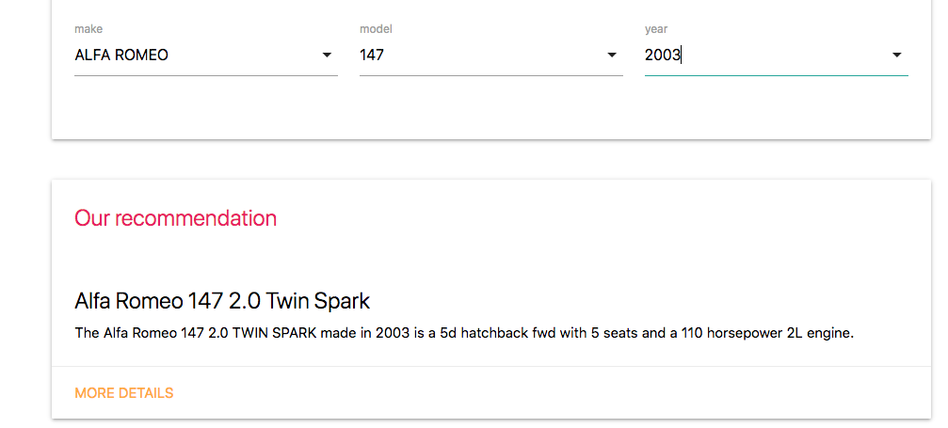
Test Cases ICJK5 | secure acces the information for the admi | 1. ICJK site is launched on a compatible browser 2. An user account is already created on the system | 1. Login 2. check login funcionality 3. checkrespond on entering valid agent name & password 4. Login sucessful | A valid URL: http://localhost:8000/staff/geo Password : icjkibf299 | "username" button in the form should clear all the fields in the form and password fill it and give aacess to the client site | need to acces to the admn site | Passed
Test Cases ICJK6 | navigation bar (or navigation system) is a section of a graphical user interface intended to aid visitors in accessing information. Navigation bars are implemented in file browsers, web browsers and as a design element of some web sites. | 1. ICJK site is launched on a compatible browser | 1. Navigate to the home page by clicking naviagte bar the button on the menu 2. click | Navigation bars are implemented in file browsers, web browsers and as a design element of some web sites. send the user to the other pages of the website | navigation bar give the link to the other page on the site give the information that user needs it . | User get the acces the website to all services for the naviagation bar | passed |  | 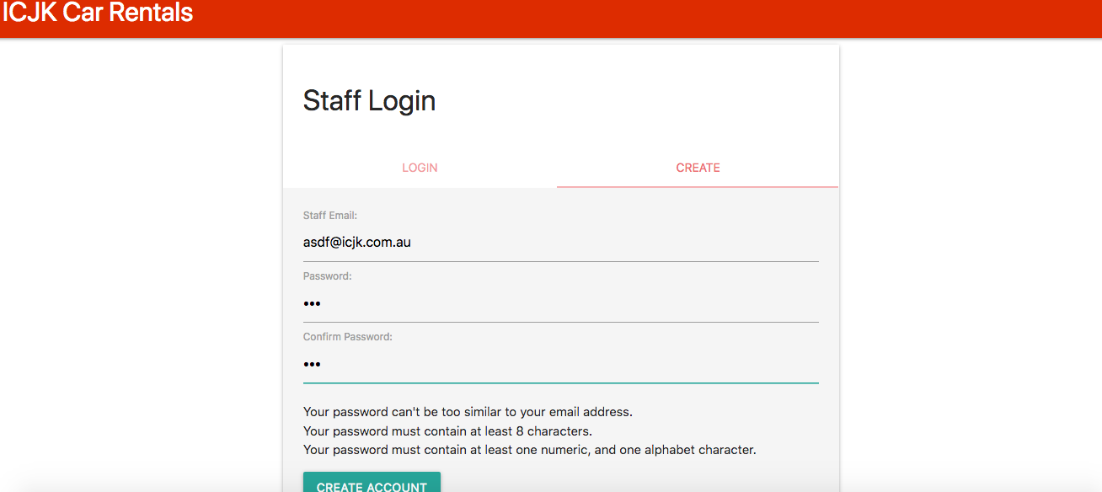 | 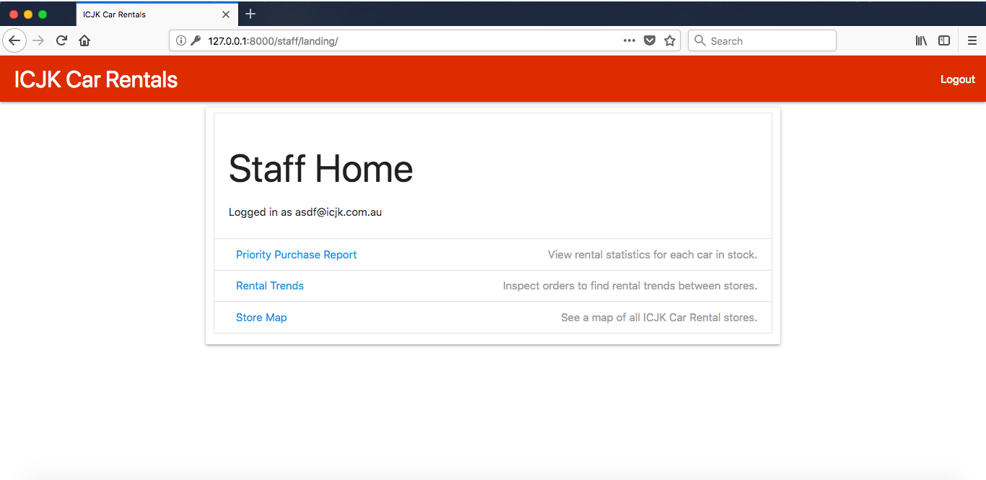

Test Cases ICJK7 | The purpose of a website footer is to help visitors by adding information and navigation options at the bottom of web pages. | 1. ICJK site is launched on a compatible browser 2. scroll down until the end connect with the links also the button of the pages | 1. Navigate to the home page by scroll until the end 2. click the links | information about the company . links take th user to the othe pages | footer the collection of elements found at the bottom of web pages links can help search engine rankings | user can be use all the services available | Passed | 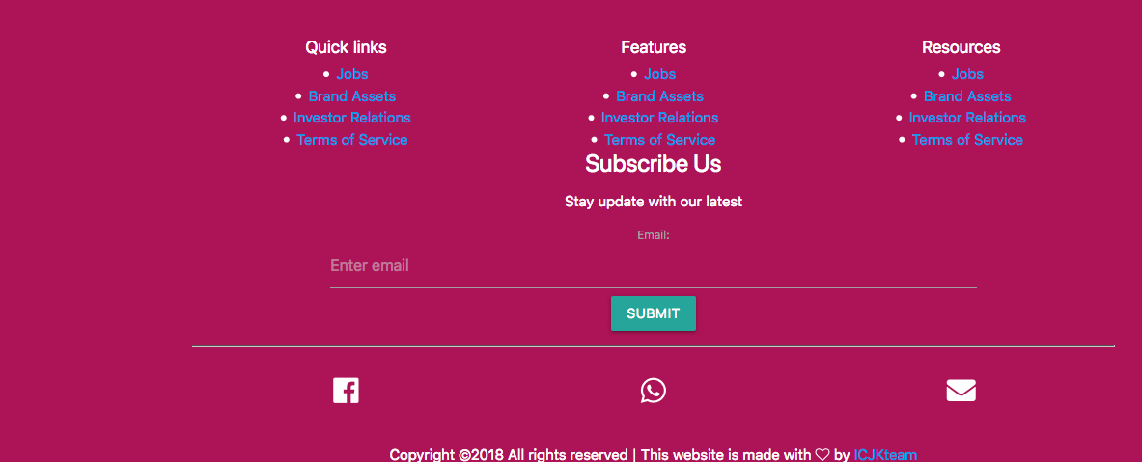
Test Cases ICJK8 | the purpose of the social media are connect to bussines other possible customers is marketing tool to help business grow | 1.ICJK is launched in compatible browser | scroll down until you find the social media icons click | linking to your social media pages | social media allow the customers recommend to the social network (friends) the experience snd serveice that teh company offers | user can be connect with the social media an reccomend the services | Passed

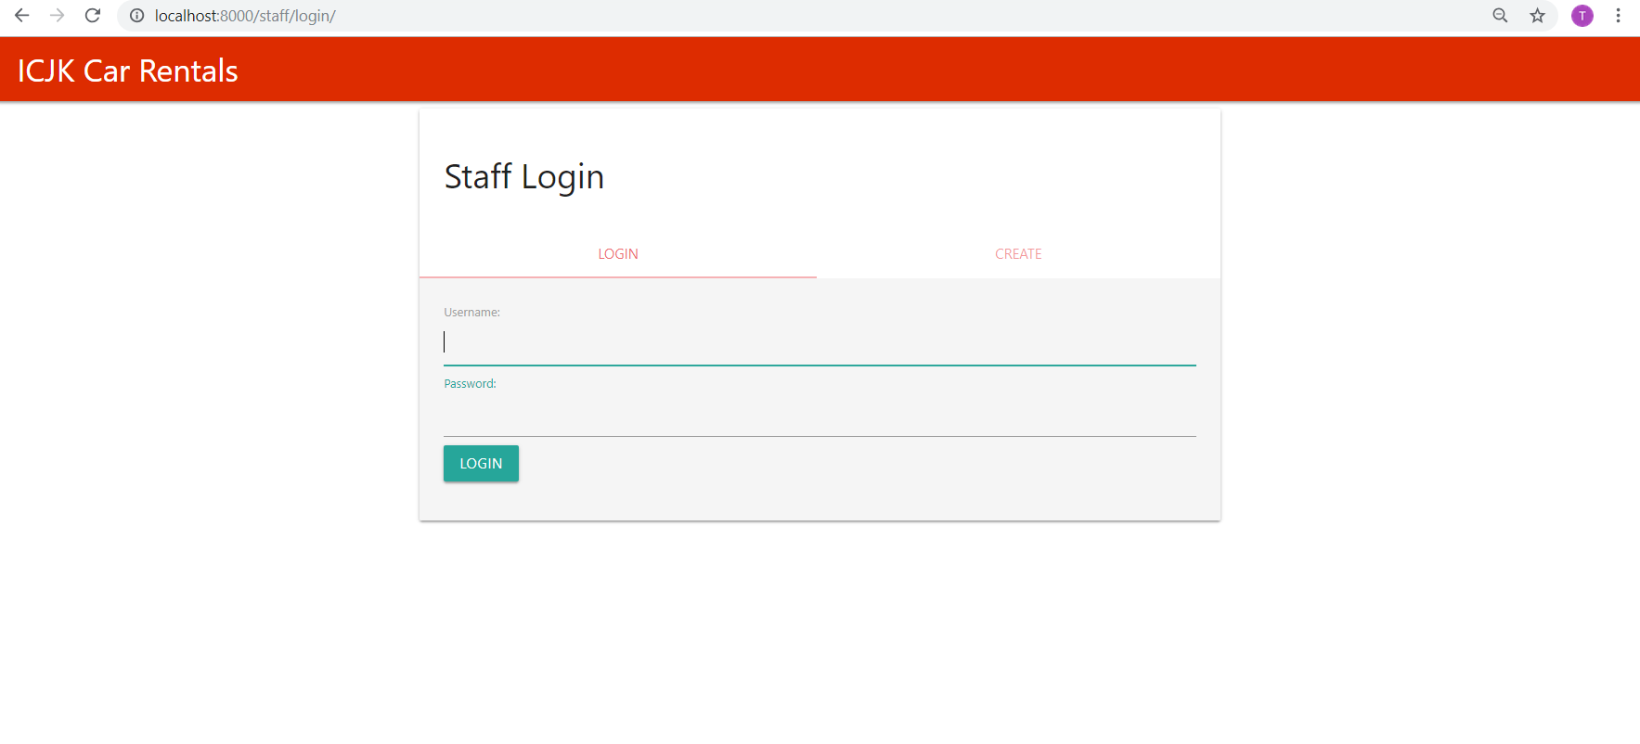
Test Cases ICJK9 | Staff can create a new account using the ICJK site | 1. ICJK site is launched on a compatible browser | 1. Navigate to the staff site by go to the staff site by URL http://localhost:8000/staff 2. Navigate to the account creation page by clicking the 'Create' tab in the staff login page 3. Fill in all the required field in the account creation form 4. Submit the filled-in form through by clicking the "Create account" button on the form | A valid Email: khai@icjk.com.au , Password : icjk2018, | 1. When the user navigate to the staff site for the first time without an account, they should be navigate to the login/create page 2. When the user click on the 'Create' tab, the create account form is navigated. 3. Create account form should contain textbox for Email, Password, Confirm Password. All these field are mandatory with an requirements at the bottom 4. Check the screenshot to get an idea of what screen we are testing Once the user submits the form with all the mandatory fields filled up, a new account is created with the provided creadential and the account details are stored in the MySQL database. A generated user id will be allocated to the new user and the relevant details will be stored in the database table | Staff can use all the available services of the ICJK staff site using the newly created account | Passed
Test Cases ICJK10 | Password and Retype password fields in the Account Creation form are masked with asterisk for each character typed in. | 1. ICJK site is launched on a compatible browser | 1. Navigate to the staff site 2. Navigate to the account creation page by clicking the 'Create' tab in the staff site 3. Fill in the Password and Confirm Password field in the account creation form | A valid Password: icjk2018 | The entries in the Password and Confirm Password field should be masked with asteriks as the user types in | User can create an account securely Check the screenshot to get an idea of the expected outcome | Passed
Test Cases ICJK11 | If the user submits the form without completing all the information, staff is given a warning message “Please fill out this field” in a popup message box. | 1. ICJK site is launched on a compatible browser | 1. Navigate to the staff site 2. Navigate to the account creation page by clicking the 'Create' tab in the staff login page 3. Partially fill in the form | A valid Email: khai@icjk.com.au , Password : icjk2018, | When the user tries to submit a partially filled-in form, a popup message box will appear on the mandatory field asking the user to fill-in the required field Check the screenshot to get an idea of the expected outcome | User needs to fill-in the form completely to successfully submit the form | Passed
Test Cases ICJK12 | If the password doesn’t match with retype password, staff is given a warning message “Your account creation fail because your password and confirm password do not match. Please try again”. | 1. ICJK site is launched on a compatible browser | 1. Navigate to the staff site 2. Navigate to the account creation page by clicking the 'Create' tab in the staff login page 3. Fill in all the required field in the account creation form. | The Password and the Confirm Password field should have different inputs | When the user tries to submit a form where the "Password" and the "Confirm Password" field has different entries an error message will appear on the screen inicating the entries in the two fields do not match Check the screenshot to get an idea of the expected outcome | User needs to correct the error in the password fields in-order to submit the form successfully | Passed
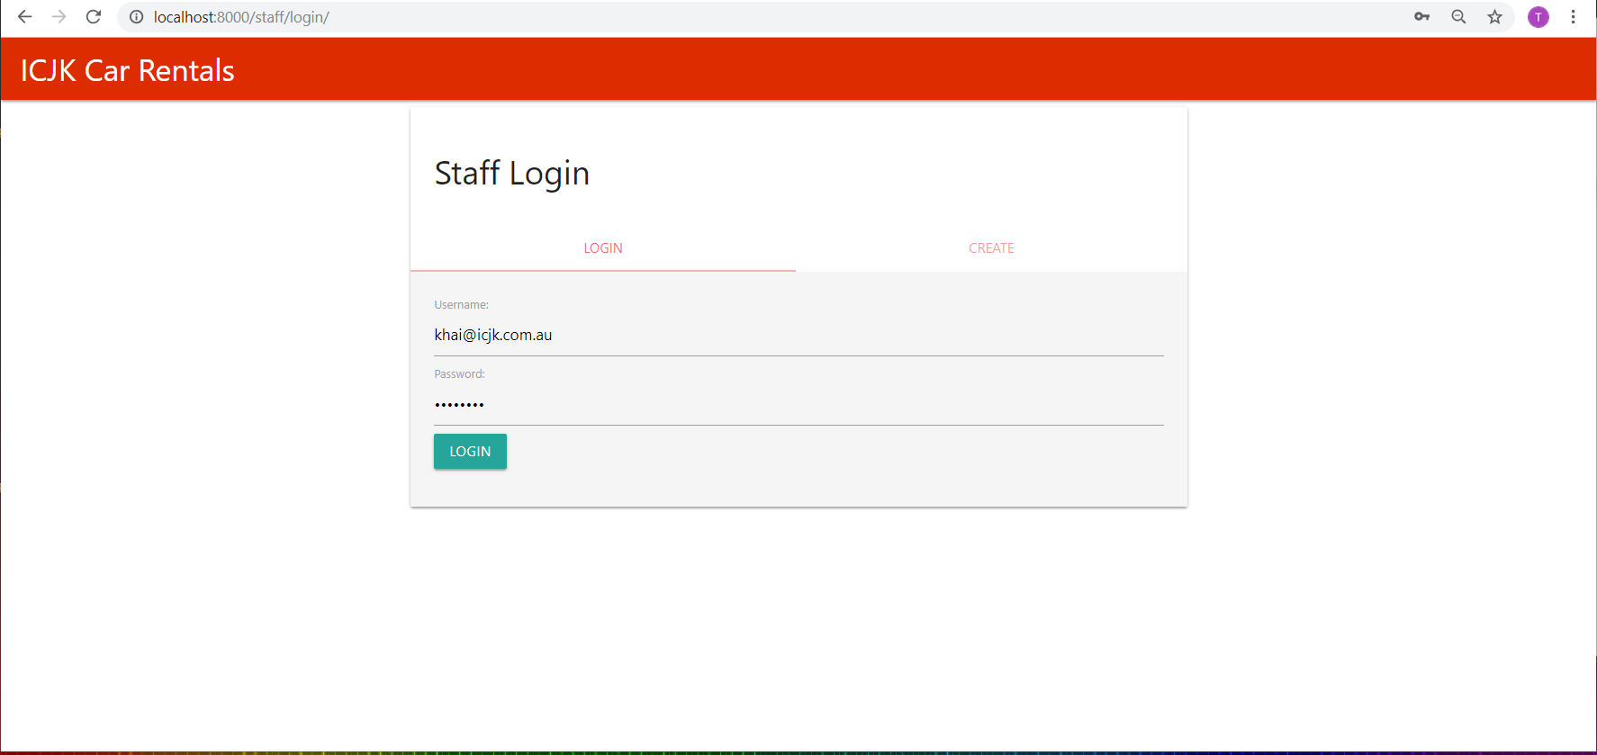
Test Cases ICJK13 | In the login form when the username and password entered by the user do not match with the information stored in the database, staff is given a warning message “You login fail because of an invalid email and password combination. Please try again” | 1. ICJK site is launched on a compatible browser | 1. Navigate to the staff site 2. Navigate to the account creation page by clicking the 'Create' tab in the staff login page 3. Enter invalid Username/Password/ Account Number | Invalid Username, Password and Account Number | When the user enters invalid login details an error message will be displayed to the user saying "You login fail because of an invalid email and password combination. Please try again” Check the screenshot to get an idea of the expected outcome | User will be re-direccted to the login screen where the user needs to provide correct login details in-order to login successfully | Passed
Test Cases ICJK14 | When an user try to use any service within the staff site with out login through the service URL. They should be nagivate back to the login page | 1. ICJK site is launched on a compatible browser | 1. Navigate to a service page in staff site through URL: http://localhost:8000/staff/geo | N/A | User will be re-direccted to the login screen where the user needs to provide correct login details in-order to use the service | User will be re-direccted to the login screen where the user needs to provide correct login details in-order to use the service | Passed

